Sheet1
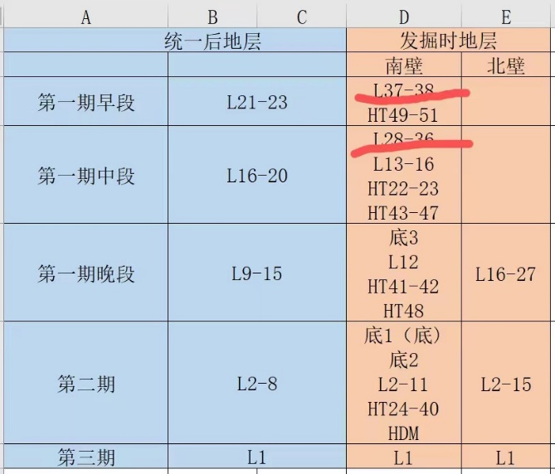
 |  | Excavation layers |  | RAW MATERIAL CODE | Raw material | core type code | core type
Stage | unified layer | south wall | North wall | A | chert (black) | A2 | double platform core
UP Phase 1 | L21-23 | L37-38, HT49-51 |  | A | chert (black) | A3 | multiply platform core
UP Phase 2 | L16-20 | L28-36, L13-16, HT22-23, HT43-47 |  | A | chert (black) | A1 | single platform core
UP Phase 3 | L9-15 | under the hearth 3, L12, HT41-42. HT48 | L16-27 | A | chert (black) | A2 | double platform core
Neolithic | L2-8 | under the hearth 1(under the hearth), under the hearth 2, L2-11, HT24-40, HDM | L2-15 | A | chert (black) | A3 | multiply platform core
Neolithic top unit | L1 | L1 | L1 | E | Quartzite (white ink) | A1 | single platform core
 |  |  |  | F | Quartzite (gray white) | A1 | single platform core
 |  |  |  | A | chert (black) | B1 | bipolar core
L37-38 and L28-36 are the previous layer system, we continue to dig it in 2020 |  |  |  | A | chert (black) | A1 | single platform core
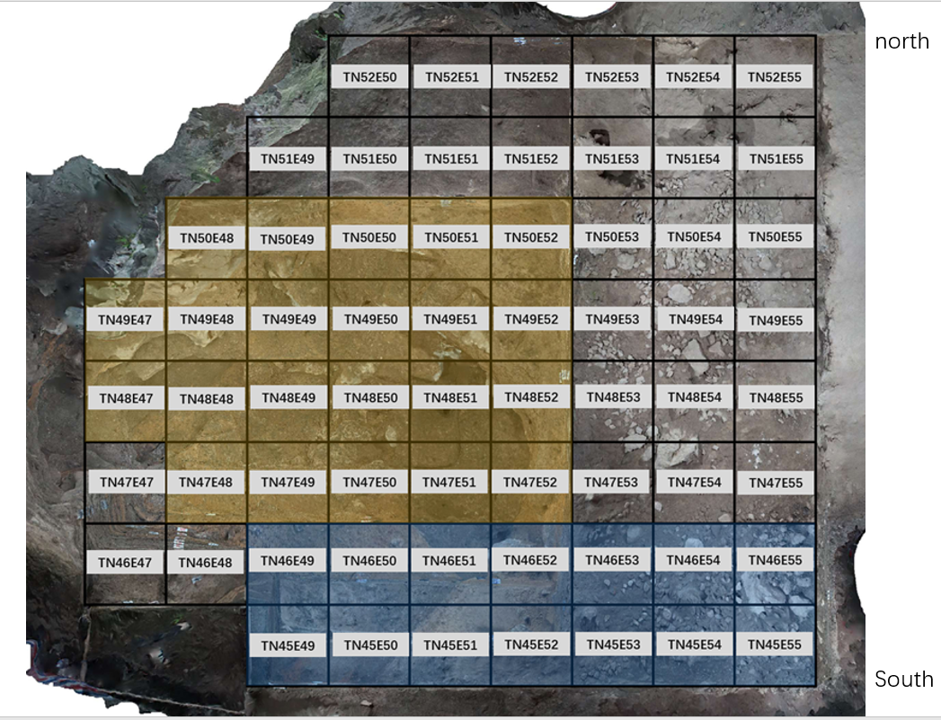
unified layer means the numbers we give all the layers again after unify all the numbering system, I think in the spreadsheet, we didn’t use the unified layer |  |  |  | D | chert (stripe) | A1 | single platform core
 |  |  |  | A | chert (black) | A3 | multiply platform core
 |  |  |  | A | chert (black) | A3 | multiply platform core
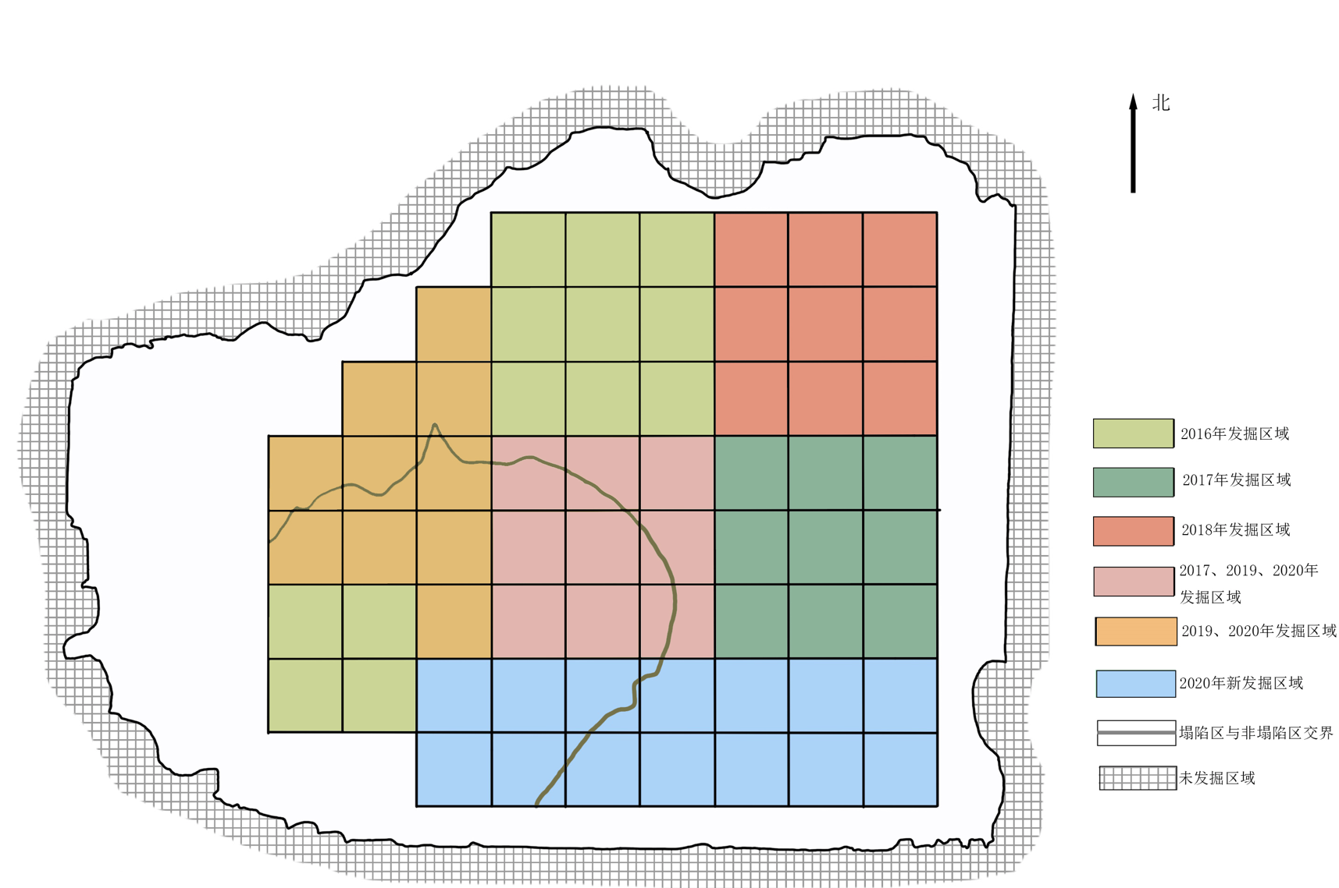
 |  |  |  | A | chert (black) | A2 | double platform core
 |  |  |  | E | Quartzite (white ink) | A1 | single platform core
 |  |  |  | A | chert (black) | A2 | double platform core
 |  |  |  | A | chert (black) | A3 | multiply platform core
 |  |  |  | A | chert (black) | A1 | single platform core
 |  |  |  | E | Quartzite (white ink) | A2 | double platform core
 |  |  |  | A | chert (black) | A1 | single platform core
 |  |  |  | A | chert (black) | A3 | multiply platform core
 |  |  |  | A | chert (black) | A1 | single platform core
 |  |  |  | G | limestone | A1 | single platform core
 |  |  |  | A | chert (black) | A3 | multiply platform core
 |  |  |  | A | chert (black) | A3 | multiply platform core
 |  |  |  | A | chert (black) | A2 | double platform core
 |  |  |  | A | chert (black) | A1 | single platform core
 |  |  |  | D | chert (stripe) | A1 | single platform core
 |  |  |  | B | chert (gray) | A1 | single platform core
 |  |  |  | A | chert (black) | A2 | double platform core
 |  |  |  | A | chert (black) | A2 | double platform core（flake）
 |  |  |  | A | chert (black) | A1 | single platform core
 |  |  |  | H | gelite | A3 | multiply platform core
 |  |  |  | A | chert (black) | A1 | single platform core
 |  |  |  | A | chert (black) | A3 | multiply platform core
 |  |  |  | A | chert (black) | A3 | multiply platform core
 |  |  |  | A | chert (black) | A1 | single platform core
 |  |  |  | A | chert (black) | A3 | multiply platform core
 |  |  |  | A | chert (black) | A2 | double platform core
 |  |  |  | A | chert (black) | A1 | single platform core
 |  |  |  | A | chert (black) | A2 | double platform core
 |  |  |  | A | chert (black) | A2 | double platform core
 |  |  |  | A | chert (black) | A1 | single platform core
 |  |  |  | A | chert (black) | A2 | double platform core
 |  |  |  | A | chert (black) | A2 | double platform core
 |  |  |  | A | chert (black) | A2 | double platform core
 |  |  |  | A | chert (black) | A3 | multiply platform core
 |  |  |  | D | chert (stripe) | A2 | double platform core
 |  |  |  | B | chert (gray) | A1 | single platform core
 |  |  |  | A | chert (black) | A2 | double platform core
 |  |  |  | E | Quartzite (white ink) | B1 | bipolar core
 |  |  |  | A | chert (black) | A3 | multiply platform core
 |  |  |  | A | chert (black) | A2 | double platform core
 |  |  |  | A | chert (black) | B2 | bipolar core
 |  |  |  | A | chert (black) | A1 | single platform core
 |  |  |  | A | chert (black) | B1 | bipolar core
 |  |  |  | A | chert (black) | A3 | multiply platform core
 |  |  |  | A | chert (black) | A1 | single platform core
 |  |  |  | A | chert (black) | A2 | double platform core
 |  |  |  | A | chert (black) | A2 | double platform core
 |  |  |  | A | chert (black) | A2 | double platform core
 |  |  |  | A | chert (black) | A1 | single platform core
 |  |  |  | A | chert (black) | A1 | single platform core
 |  |  |  | B | chert (gray) | B1 | bipolar core
 |  |  |  | A | chert (black) | A2 | double platform core（flake）
 |  |  |  | B | chert (gray) | A3 | multiply platform core
 |  |  |  | A | chert (black) | A3 | multiply platform core
 |  |  |  | B | chert (gray) | A3 | multiply platform core
 |  |  |  | A | chert (black) | A3 | multiply platform core
 |  |  |  | A | chert (black) | A2 | double platform core
 |  |  |  | A | chert (black) | A1 | single platform core
 |  |  |  | B | chert (gray) | A1 | single platform core
 |  |  |  | A | chert (black) | A1 | single platform core
 |  |  |  | A | chert (black) | A2 | double platform core
 |  |  |  | E | Quartzite (white ink) | A1 | single platform core
 |  |  |  | A | chert (black) | A2 | double platform core
 |  |  |  | A | chert (black) | A1 | single platform core
 |  |  |  | A | chert (black) | B1 | bipolar core
 |  |  |  | F | Quartzite (gray white) | A2 | double platform core
 |  |  |  | A | chert (black) | A1 | single platform core
 |  |  |  | E | Quartzite (white ink) | A2 | double platform core
 |  |  |  | A | chert (black) | A1 | single platform core
 |  |  |  | A | chert (black) | B1 | bipolar core
 |  |  |  | A | chert (black) | A1 | single platform core
 |  |  |  | A | chert (black) | A2 | double platform core
 |  |  |  | A | chert (black) | A1 | single platform core
 |  |  |  | A | chert (black) | A2 | double platform core
 |  |  |  | A | chert (black) | A3 | multiply platform core
 |  |  |  | A | chert (black) | A2 | double platform core
 |  |  |  | B | chert (gray) | A1 | single platform core
 |  |  |  | E | Quartzite (white ink) | B1 | bipolar core
 |  |  |  | A | chert (black) | A2 | double platform core
 |  |  |  | A | chert (black) | A2 | double platform core
 |  |  |  | A | chert (black) | A1 | A1：single platform core（flake）
 |  |  |  | A | chert (black) | A2 | double platform core
 |  |  |  | A | chert (black) | A2 | double platform core
 |  |  |  | A | chert (black) | A1 | single platform core
 |  |  |  | A | chert (black) | A2 | double platform core
 |  |  |  | A | chert (black) | A1 | single platform core
 |  |  |  | A | chert (black) | B1 | bipolar core
 |  |  |  | A | chert (black) | B1 | bipolar core
 |  |  |  | A | chert (black) | B1 | bipolar core
 |  |  |  | A | chert (black) | B1 | bipolar core
 |  |  |  | A | chert (black) | B1 | bipolar core
 |  |  |  | A | chert (black) | A2 | double platform core
 |  |  |  | A | chert (black) | A2 | double platform core
 |  |  |  | B | chert (gray) | A2 | double platform core
 |  |  |  | B | chert (gray) | A2 | double platform core
 |  |  |  | E | Quartzite (white ink) | A2 | double platform core
 |  |  |  | E | Quartzite (white ink) | B1 | bipolar core
 |  |  |  | A | chert (black) | B1 | bipolar core
 |  |  |  | A | chert (black) | B1 | bipolar core
 |  |  |  | A | chert (black) | A1 | single platform core
 |  |  |  | A | chert (black) | A1 | single platform core
 |  |  |  | A | chert (black) | A3 | multiply platform core（weathered）
 |  |  |  | A | chert (black) | A1 | single platform core
 |  |  |  | A | chert (black) | A1 | single platform core
 |  |  |  | A | chert (black) | B1 | bipolar core
 |  |  |  | A | chert (black) | A2 | double platform core
 |  |  |  | A | chert (black) | A1 | single platform core
 |  |  |  | A | chert (black) | A2 | double platform core
 |  |  |  | D | chert (stripe) | A1 | single platform core
 |  |  |  | I | siltstone | B1 | bipolar core
 |  |  |  | A | chert (black) | A2 | double platform core
 |  |  |  | A | chert (black) | A1 | single platform core
 |  |  |  | A | chert (black) | A1 | single platform core
 |  |  |  | A | chert (black) | A2 | double platform core
 |  |  |  | A | chert (black) | A2 | double platform core
 |  |  |  | A | chert (black) | A3 | multiply platform core
 |  |  |  | E | Quartzite (white ink) | A1 | single platform core
 |  |  |  | F | Quartzite (gray white) | A1 | single platform core
 |  |  |  | G | limestone | A1 | single platform core
 |  |  |  | B | chert (gray) | A2 | double platform core
 |  |  |  | A | chert (black) | B1 | bipolar core
 |  |  |  | A | chert (black) | B1 | bipolar core
 |  |  |  | A | chert (black) | B1 | bipolar core
 |  |  |  | A | chert (black) | B1 | bipolar core
 |  |  |  | F | Quartzite (gray white) | B1 | bipolar core
 |  |  |  | A | chert (black) | B1 | bipolar core
 |  |  |  | A | chert (black) | A3 | multiply platform core
 |  |  |  | H | gelite | B1 | bipolar core
 |  |  |  | F | Quartzite (gray white) | B1 | bipolar core
 |  |  |  | A | chert (black) | B1 | bipolar core
 |  |  |  | A | chert (black) | A3 | multiply platform core
 |  |  |  | A | chert (black) | A1 | single platform core
 |  |  |  | A | chert (black) | B1 | bipolar core
 |  |  |  | A | chert (black) | A3 | multiply platform core
 |  |  |  | A | chert (black) | B2 | bipolar core
 |  |  |  | G | limestone | A1 | single platform core
 |  |  |  | A | chert (black) | A2 | double platform core
 |  |  |  | A | chert (black) | A1 | single platform core
 |  |  |  | A | chert (black) | A1 | single platform core
 |  |  |  | A | chert (black) | A1 | single platform core
 |  |  |  | A | chert (black) | A1 | single platform core
 |  |  |  | A | chert (black) | B1 | bipolar core
 |  |  |  | A | chert (black) | A1 | single platform core
 |  |  |  | A | chert (black) | A1 | single platform core
 |  |  |  | A | chert (black) | A1 | single platform core
 |  |  |  | A | chert (black) | B1 | bipolar core
 |  |  |  | B | chert (gray) | A1 | double platform core
 |  |  |  | E | Quartzite (white ink) | B1 | bipolar core
 |  |  |  | D | chert (stripe) | B1 | bipolar core
 |  |  |  | A | chert (black) | B1 | bipolar core
 |  |  |  | A | chert (black) | B1 | bipolar core
 |  |  |  | A | chert (black) | A2 | double platform core
 |  |  |  | B | chert (gray) | A1 | single platform core
 |  |  |  | A | chert (black) | A1 | single platform core
 |  |  |  | A | chert (black) | A1 | double platform core
 |  |  |  | A | chert (black) | A1 | single platform core
 |  |  |  | A | chert (black) | A1 | single platform core
 |  |  |  | A | chert (black) | A1 | single platform core
 |  |  |  | B | chert (gray) | A2 | double platform core
 |  |  |  | E | Quartzite (white ink) | A1 | single platform core
 |  |  |  | E | Quartzite (white ink) | A1 | double platform core
 |  |  |  | F | Quartzite (gray white) | B1 | bipolar core
 |  |  |  | A | chert (black) | A1 | single platform core
 |  |  |  | A | chert (black) | A1 | single platform core
 |  |  |  | A | chert (black) | A1 | single platform core
 |  |  |  | A | chert (black) | A2 | double platform core
 |  |  |  | B | chert (gray) | B1 | bipolar core
 |  |  |  | E | Quartzite (white ink) | A1 | single platform core
 |  |  |  | D | chert (stripe) | A1 | single platform core
 |  |  |  | A | chert (black) | A1 | single platform core
 |  |  |  | A | chert (black) | A1 | double platform core
 |  |  |  | A | chert (black) | A1 | double platform core
 |  |  |  | A | chert (black) | A3 | multiply platform core
 |  |  |  | A | chert (black) | A1 | single platform core
 |  |  |  | B | chert (gray) | A1 | single platform core
 |  |  |  | E | Quartzite (white ink) | A1 | single platform core
 |  |  |  | G | limestone | A1 | double platform core
 |  |  |  | A | chert (black) | A2 | double platform core
 |  |  |  | A | chert (black) | A1 | single platform core
 |  |  |  | A | chert (black) | A1 | single platform core
 |  |  |  | A | chert (black) | A2 | double platform core
 |  |  |  | A | chert (black) | B2 | bipolar core
 |  |  |  | A | chert (black) | B1 | bipolar core
 |  |  |  | A | chert (black) | A1 | single platform core
 |  |  |  | A | chert (black) | B1 | bipolar core
 |  |  |  | A | chert (black) | B1 | bipolar core
 |  |  |  | A | chert (black) | B1 | bipolar core
 |  |  |  | B | chert (gray) | B1 | bipolar core
 |  |  |  | B | chert (gray) | B1 | bipolar core
 |  |  |  | B | chert (gray) | B1 | bipolar core
 |  |  |  | E | Quartzite (white ink) | A1 | single platform core
 |  |  |  | F | Quartzite (gray white) | A2 | double platform core
 |  |  |  | F | Quartzite (gray white) | B1 | bipolar core
 |  |  |  | F | Quartzite (gray white) | A2 | double platform core
 |  |  |  | M | marlstone | A2 | double platform core
 |  |  |  | H | gelite | A2 | double platform core
 |  |  |  | A | chert (black) | B1 | bipolar core
 |  |  |  | A | chert (black) | A2 | double platform core
 |  |  |  | C | chert (colored black ) | A3 | multiply platform core
 |  |  |  | A | chert (black) | B1 | bipolar core
 |  |  |  | A | chert (black) | A1 | single platform core
 |  |  |  | A | chert (black) | B1 | bipolar core
 |  |  |  | A | chert (black) | A1 | single platform core
 |  |  |  | A | chert (black) | B1 | bipolar core
 |  |  |  | A | chert (black) | A1 | single platform core
 |  |  |  | A | chert (black) | A3 | multiply platform core
 |  |  |  | A | chert (black) | A4 | multiply platform core
 |  |  |  | A | chert (black) | A3 | multiply platform core
 |  |  |  | F | Quartzite (gray white) | A2 | double platform core
 |  |  |  | F | Quartzite (gray white) | A1 | single platform core
 |  |  |  | F | Quartzite (gray white) | A1 | single platform core
 |  |  |  | E | Quartzite (white ink) | A1 | single platform core
 |  |  |  | E | Quartzite (white ink) | A1 | single platform core（weathered）
 |  |  |  | E | Quartzite (white ink) | A1 | single platform core
 |  |  |  | E | Quartzite (white ink) | A1 | single platform core
 |  |  |  | E | Quartzite (white ink) | A1 | single platform core
 |  |  |  | K | crystal | A1 | single platform core
 |  |  |  | K | crystal | A1 | single platform core
 |  |  |  | A | chert (black) | A3 | multiply platform core（weathered）
 |  |  |  | A | chert (black) | A3 | multiply platform core
 |  |  |  | A | chert (black) | A1 | single platform core
 |  |  |  | A | chert (black) | A1 | single platform core
 |  |  |  | A | chert (black) | B1 | bipolar core
 |  |  |  | A | chert (black) | B1 | bipolar core
 |  |  |  | A | chert (black) | A2 | double platform core（weathered）
 |  |  |  | A | chert (black) | A1 | single platform core
 |  |  |  | A | chert (black) | B1 | bipolar core
 |  |  |  | A | chert (black) | A2 | double platform core
 |  |  |  | A | chert (black) | A1 | single platform core
 |  |  |  | A | chert (black) | A2 | double platform core
 |  |  |  | A | chert (black) | A2 | double platform core
 |  |  |  | A | chert (black) | A2 | double platform core
 |  |  |  | A | chert (black) | A1 | single platform core
 |  |  |  | B | chert (gray) | A1 | single platform core
 |  |  |  | A | chert (black) | A1 | single platform core
 |  |  |  | F | Quartzite (gray white) | A1 | single platform core
 |  |  |  | E | Quartzite (white ink)
 |  |  |  | F | Quartzite (gray white)
 |  |  |  | F | Quartzite (gray white)
 |  |  |  | F | Quartzite (gray white)
 |  |  |  | F | Quartzite (gray white)
 |  |  |  | E | Quartzite (white ink)
 |  |  |  | E | Quartzite (white ink)
 |  |  |  | M | marlstone
 |  |  |  | A | chert (black)
 |  |  |  | A | chert (black)
 |  |  |  | F | Quartzite (gray white)
 |  |  |  | A | chert (black)
 |  |  |  | A | chert (black)
 |  |  |  | E | Quartzite (white ink)
 |  |  |  | F | Quartzite (gray white)
 |  |  |  | A | chert (black)
 |  |  |  | A | chert (black)
 |  |  |  | A | chert (black)
 |  |  |  | L | packsand
 |  |  |  | A | chert (black)
 |  |  |  | A | chert (black)
 |  |  |  | A | chert (black)
 |  |  |  | A | chert (black)
 |  |  |  | A | chert (black)
 |  |  |  | A | chert (black)
 |  |  |  | A | chert (black)
 |  |  |  | E | Quartzite (white ink)
 |  |  |  | L | packsand
 |  |  |  | A | chert (black)
 |  |  |  | A | chert (black)
 |  |  |  | A | chert (black)
 |  |  |  | N | rhyolite
 |  |  |  | A | chert (black)
 |  |  |  | A | chert (black)
 |  |  |  | A | chert (black)
 |  |  |  | A | chert (black)
 |  |  |  | A | chert (black)
 |  |  |  | A | chert (black)
 |  |  |  | A | chert (black)
 |  |  |  | A | chert (black)
 |  |  |  | A | chert (black)
 |  |  |  | B | chert (gray)
 |  |  |  | B | chert (gray)
 |  |  |  | F | Quartzite (gray white)
 |  |  |  | E | Quartzite (white ink)
 |  |  |  | F | Quartzite (gray white)
 |  |  |  | F | Quartzite (gray white)
 |  |  |  | F | Quartzite (gray white)
 |  |  |  | F | Quartzite (gray white)
 |  |  |  | M | marlstone
 |  |  |  | A | chert (black)
 |  |  |  | A | chert (black)
 |  |  |  | A | chert (black)
 |  |  |  | A | chert (black)
 |  |  |  | A | chert (black)
 |  |  |  | F | Quartzite (gray white)
 |  |  |  | F | Quartzite (gray white)
 |  |  |  | F | Quartzite (gray white)
 |  |  |  | F | Quartzite (gray white)
 |  |  |  | F | Quartzite (gray white)
 |  |  |  | F | Quartzite (gray white)
 |  |  |  | F | Quartzite (gray white)
 |  |  |  | F | Quartzite (gray white)
 |  |  |  | F | Quartzite (gray white)
 |  |  |  | C | chert (colored black )
 |  |  |  | C | chert (colored black )
 |  |  |  | L | packsand
 |  |  |  | A | chert (black)
 |  |  |  | A | chert (black)
 |  |  |  | A | chert (black)
 |  |  |  | A | chert (black)
 |  |  |  | A | chert (black)
 |  |  |  | A | chert (black)
 |  |  |  | A | chert (black)
 |  |  |  | A | chert (black)
 |  |  |  | A | chert (black)
 |  |  |  | A | chert (black)
 |  |  |  | A | chert (black)
 |  |  |  | A | chert (black)
 |  |  |  | A | chert (black)
 |  |  |  | A | chert (black)
 |  |  |  | A | chert (black)
 |  |  |  | A | chert (black)
 |  |  |  | A | chert (black)
 |  |  |  | E | Quartzite (white ink)
 |  |  |  | A | chert (black)
 |  |  |  | A | chert (black)
 |  |  |  | A | chert (black)
 |  |  |  | A | chert (black)
 |  |  |  | B | chert (gray)
 |  |  |  | B | chert (gray)
 |  |  |  | A | chert (black)
 |  |  |  | A | chert (black)
 |  |  |  | A | chert (black)
 |  |  |  | M | marlstone
 |  |  |  | A | chert (black)
 |  |  |  | A | chert (black)
 |  |  |  | A | chert (black)
 |  |  |  | A | chert (black)
 |  |  |  | A | chert (black)
 |  |  |  | A | chert (black)
 |  |  |  | A | chert (black)
 |  |  |  | A | chert (black)
 |  |  |  | A | chert (black)
 |  |  |  | A | chert (black)
 |  |  |  | A | chert (black)
 |  |  |  | H | gelite
 |  |  |  | A | chert (black)
 |  |  |  | A | chert (black)
 |  |  |  | A | chert (black)
 |  |  |  | M | marlstone
 |  |  |  | G | limestone
 |  |  |  | G | limestone
 |  |  |  | G | limestone
 |  |  |  | A | chert (black)
 |  |  |  | A | chert (black)
 |  |  |  | A | chert (black)
 |  |  |  | A | chert (black)
 |  |  |  | A | chert (black)
 |  |  |  | A | chert (black)
 |  |  |  | A | chert (black)
 |  |  |  | A | chert (black)
 |  |  |  | A | chert (black)
 |  |  |  | A | chert (black)
 |  |  |  | A | chert (black)
 |  |  |  | A | chert (black)
 |  |  |  | A | chert (black)
 |  |  |  | E | Quartzite (white ink)
 |  |  |  | B | chert (gray)
 |  |  |  | H | gelite
 |  |  |  | G | limestone
 |  |  |  | G | limestone
 |  |  |  | G | limestone
 |  |  |  | A | chert (black)
 |  |  |  | A | chert (black)
 |  |  |  | A | chert (black)
 |  |  |  | A | chert (black)
 |  |  |  | A | chert (black)
 |  |  |  | A | chert (black)
 |  |  |  | A | chert (black)
 |  |  |  | A | chert (black)
 |  |  |  | C | chert (colored black )
 |  |  |  | C | chert (colored black )
 |  |  |  | A | chert (black)
 |  |  |  | A | chert (black)
 |  |  |  | C | chert (colored black )
 |  |  |  | A | chert (black)
 |  |  |  | A | chert (black)
 |  |  |  | A | chert (black)
 |  |  |  | A | chert (black)
 |  |  |  | A | chert (black)
 |  |  |  | A | chert (black)
 |  |  |  | A | chert (black)
 |  |  |  | G | limestone
 |  |  |  | L | packsand
 |  |  |  | A | chert (black)
 |  |  |  | A | chert (black)
 |  |  |  | A | chert (black)
 |  |  |  | A | chert (black)
 |  |  |  | A | chert (black)
 |  |  |  | A | chert (black)
 |  |  |  | A | chert (black)
 |  |  |  | A | chert (black)
 |  |  |  | H | gelite
 |  |  |  | A | chert (black)
 |  |  |  | A | chert (black)
 |  |  |  | A | chert (black)
 |  |  |  | A | chert (black)
 |  |  |  | A | chert (black)
 |  |  |  | A | chert (black)
 |  |  |  | A | chert (black)
 |  |  |  | A | chert (black)
 |  |  |  | F | Quartzite (gray white)
 |  |  |  | E | Quartzite (white ink)
 |  |  |  | C | chert (colored black )
 |  |  |  | F | Quartzite (gray white)
 |  |  |  | A | chert (black)
 |  |  |  | A | chert (black)
 |  |  |  | A | chert (black)
 |  |  |  | A | chert (black)
 |  |  |  | A | chert (black)
 |  |  |  | F | Quartzite (gray white)
 |  |  |  | C | chert (colored black )
 |  |  |  | A | chert (black)
 |  |  |  | A | chert (black)
 |  |  |  | M | marlstone
 |  |  |  | M | marlstone
 |  |  |  | M | marlstone
 |  |  |  | A | chert (black)
 |  |  |  | A | chert (black)
 |  |  |  | A | chert (black)
 |  |  |  | A | chert (black)
 |  |  |  | A | chert (black)
 |  |  |  | A | chert (black)
 |  |  |  | G | limestone
 |  |  |  | G | limestone
 |  |  |  | B | chert (gray)
 |  |  |  | A | chert (black)
 |  |  |  | A | chert (black)
 |  |  |  | G | limestone
 |  |  |  | A | chert (black)
 |  |  |  | A | chert (black)
 |  |  |  | A | chert (black)
 |  |  |  | A | chert (black)
 |  |  |  | A | chert (black)
 |  |  |  | A | chert (black)
 |  |  |  | A | chert (black)
 |  |  |  | A | chert (black)
 |  |  |  | B | chert (gray)
 |  |  |  | B | chert (gray)
 |  |  |  | B | chert (gray)
 |  |  |  | A | chert (black)
 |  |  |  | A | chert (black)
 |  |  |  | A | chert (black)
 |  |  |  | A | chert (black)
 |  |  |  | A | chert (black)
 |  |  |  | B | chert (gray)
 |  |  |  | A | chert (black)
 |  |  |  | A | chert (black)
 |  |  |  | A | chert (black)
 |  |  |  | B | chert (gray)
 |  |  |  | B | chert (gray)
 |  |  |  | A | chert (black)
 |  |  |  | A | chert (black)
 |  |  |  | A | chert (black)
 |  |  |  | A | chert (black)
 |  |  |  | A | chert (black)
 |  |  |  | B | chert (gray)
 |  |  |  | A | chert (black)
 |  |  |  | A | chert (black)
 |  |  |  | A | chert (black)
 |  |  |  | A | chert (black)
 |  |  |  | A | chert (black)
 |  |  |  | A | chert (black)
 |  |  |  | A | chert (black)
 |  |  |  | A | chert (black)
 |  |  |  | A | chert (black)
 |  |  |  | B | chert (gray)
 |  |  |  | G | limestone
 |  |  |  | A | chert (black)
 |  |  |  | A | chert (black)
 |  |  |  | A | chert (black)
 |  |  |  | A | chert (black)
 |  |  |  | A | chert (black)
 |  |  |  | A | chert (black)
 |  |  |  | A | chert (black)
 |  |  |  | A | chert (black)
 |  |  |  | G | limestone
 |  |  |  | A | chert (black)
 |  |  |  | A | chert (black)
 |  |  |  | A | chert (black)
 |  |  |  | A | chert (black)
 |  |  |  | A | chert (black)
 |  |  |  | D | chert (stripe)
 |  |  |  | M | marlstone
 |  |  |  | D | chert (stripe)
 |  |  |  | D | chert (stripe)
 |  |  |  | D | chert (stripe)
 |  |  |  | A | chert (black)
 |  |  |  | I | siltstone
 |  |  |  | B | chert (gray)
 |  |  |  | I | siltstone
 |  |  |  | B | chert (gray)
 |  |  |  | A | chert (black)
 |  |  |  | H | gelite
 |  |  |  | A | chert (black)
 |  |  |  | A | chert (black)
 |  |  |  | A | chert (black)
 |  |  |  | A | chert (black)
 |  |  |  | A | chert (black)
 |  |  |  | A | chert (black)
 |  |  |  | A | chert (black)
 |  |  |  | A | chert (black)
 |  |  |  | A | chert (black)
 |  |  |  | A | chert (black)
 |  |  |  | A | chert (black)
 |  |  |  | A | chert (black)
 |  |  |  | B | chert (gray)
 |  |  |  | A | chert (black)
 |  |  |  | A | chert (black)
 |  |  |  | A | chert (black)
 |  |  |  | A | chert (black)
 |  |  |  | A | chert (black)
 |  |  |  | A | chert (black)
 |  |  |  | A | chert (black)
 |  |  |  | A | chert (black)
 |  |  |  | A | chert (black)
 |  |  |  | M | marlstone
 |  |  |  | A | chert (black)
 |  |  |  | A | chert (black)
 |  |  |  | B | chert (gray)
 |  |  |  | A | chert (black)
 |  |  |  | A | chert (black)
 |  |  |  | A | chert (black)
 |  |  |  | A | chert (black)
 |  |  |  | A | chert (black)
 |  |  |  | A | chert (black)
 |  |  |  | A | chert (black)
 |  |  |  | A | chert (black)
 |  |  |  | A | chert (black)
 |  |  |  | A | chert (black)
 |  |  |  | A | chert (black)
 |  |  |  | A | chert (black)
 |  |  |  | A | chert (black)
 |  |  |  | A | chert (black)
 |  |  |  | A | chert (black)
 |  |  |  | A | chert (black)
 |  |  |  | B | chert (gray)
 |  |  |  | H | gelite
 |  |  |  | A | chert (black)
 |  |  |  | A | chert (black)
 |  |  |  | A | chert (black)
 |  |  |  | A | chert (black)
 |  |  |  | C | chert (colored black )
 |  |  |  | C | chert (colored black )
 |  |  |  | C | chert (colored black )
 |  |  |  | D | chert (stripe)
 |  |  |  | C | chert (colored black )
 |  |  |  | G | limestone
 |  |  |  | C | chert (colored black )
 |  |  |  | A | chert (black)
 |  |  |  | A | chert (black)
 |  |  |  | A | chert (black)
 |  |  |  | A | chert (black)
 |  |  |  | A | chert (black)
 |  |  |  | A | chert (black)
 |  |  |  | A | chert (black)
 |  |  |  | A | chert (black)
 |  |  |  | A | chert (black)
 |  |  |  | A | chert (black)
 |  |  |  | A | chert (black)
 |  |  |  | A | chert (black)
 |  |  |  | A | chert (black)
 |  |  |  | A | chert (black)
 |  |  |  | C | chert (colored black )
 |  |  |  | H | gelite
 |  |  |  | H | gelite
 |  |  |  | H | gelite
 |  |  |  | H | gelite
 |  |  |  | H | gelite
 |  |  |  | H | gelite
 |  |  |  | G | limestone
 |  |  |  | G | limestone
 |  |  |  | A | chert (black)
 |  |  |  | A | chert (black)
 |  |  |  | A | chert (black)
 |  |  |  | A | chert (black)
 |  |  |  | A | chert (black)
 |  |  |  | A | chert (black)
 |  |  |  | A | chert (black)
 |  |  |  | A | chert (black)
 |  |  |  | D | chert (stripe)
 |  |  |  | A | chert (black)
 |  |  |  | A | chert (black)
 |  |  |  | A | chert (black)
 |  |  |  | G | limestone
 |  |  |  | A | chert (black)
 |  |  |  | A | chert (black)
 |  |  |  | A | chert (black)
 |  |  |  | A | chert (black)
 |  |  |  | A | chert (black)
 |  |  |  | A | chert (black)
 |  |  |  | A | chert (black)
 |  |  |  | A | chert (black)
 |  |  |  | A | chert (black)
 |  |  |  | A | chert (black)
 |  |  |  | A | chert (black)
 |  |  |  | A | chert (black)
 |  |  |  | A | chert (black)
 |  |  |  | A | chert (black)
 |  |  |  | A | chert (black)
 |  |  |  | A | chert (black)
 |  |  |  | A | chert (black)
 |  |  |  | B | chert (gray)
 |  |  |  | B | chert (gray)
 |  |  |  | B | chert (gray)
 |  |  |  | D | chert (stripe)
 |  |  |  | D | chert (stripe)
 |  |  |  | B | chert (gray)
 |  |  |  | A | chert (black)
 |  |  |  | A | chert (black)
 |  |  |  | G | limestone
 |  |  |  | E | Quartzite (white ink)
 |  |  |  | M | marlstone
 |  |  |  | G | limestone
 |  |  |  | A | chert (black)
 |  |  |  | A | chert (black)
 |  |  |  | B | chert (gray)
 |  |  |  | A | chert (black)
 |  |  |  | B | chert (gray)
 |  |  |  | B | chert (gray)
 |  |  |  | B | chert (gray)
 |  |  |  | A | chert (black)
 |  |  |  | A | chert (black)
 |  |  |  | A | chert (black)
 |  |  |  | A | chert (black)
 |  |  |  | A | chert (black)
 |  |  |  | A | chert (black)
 |  |  |  | A | chert (black)
 |  |  |  | A | chert (black)
 |  |  |  | A | chert (black)
 |  |  |  | A | chert (black)
 |  |  |  | A | chert (black)
 |  |  |  | A | chert (black)
 |  |  |  | A | chert (black)
 |  |  |  | A | chert (black)
 |  |  |  | A | chert (black)
 |  |  |  | A | chert (black)
 |  |  |  | A | chert (black)
 |  |  |  | A | chert (black)
 |  |  |  | A | chert (black)
 |  |  |  | A | chert (black)
 |  |  |  | A | chert (black)
 |  |  |  | A | chert (black)
 |  |  |  | A | chert (black)
 |  |  |  | A | chert (black)
 |  |  |  | A | chert (black)
 |  |  |  | A | chert (black)
 |  |  |  | A | chert (black)
 |  |  |  | A | chert (black)
 |  |  |  | A | chert (black)
 |  |  |  | A | chert (black)
 |  |  |  | A | chert (black)
 |  |  |  | A | chert (black)
 |  |  |  | A | chert (black)
 |  |  |  | A | chert (black)
 |  |  |  | A | chert (black)
 |  |  |  | A | chert (black)
 |  |  |  | A | chert (black)
 |  |  |  | A | chert (black)
 |  |  |  | A | chert (black)
 |  |  |  | A | chert (black)
 |  |  |  | A | chert (black)
 |  |  |  | A | chert (black)
 |  |  |  | A | chert (black)
 |  |  |  | A | chert (black)
 |  |  |  | A | chert (black)
 |  |  |  | A | chert (black)
 |  |  |  | A | chert (black)
 |  |  |  | A | chert (black)
 |  |  |  | A | chert (black)
 |  |  |  | A | chert (black)
 |  |  |  | A | chert (black)
 |  |  |  | A | chert (black)
 |  |  |  | A | chert (black)
 |  |  |  | A | chert (black)
 |  |  |  | A | chert (black)
 |  |  |  | A | chert (black)
 |  |  |  | A | chert (black)
 |  |  |  | D | chert (stripe)
 |  |  |  | D | chert (stripe)
 |  |  |  | D | chert (stripe)
 |  |  |  | D | chert (stripe)
 |  |  |  | D | chert (stripe)
 |  |  |  | D | chert (stripe)
 |  |  |  | D | chert (stripe)
 |  |  |  | D | chert (stripe)
 |  |  |  | D | chert (stripe)
 |  |  |  | D | chert (stripe)
 |  |  |  | D | chert (stripe)
 |  |  |  | D | chert (stripe)
 |  |  |  | D | chert (stripe)
 |  |  |  | D | chert (stripe)
 |  |  |  | D | chert (stripe)
 |  |  |  | B | chert (gray)
 |  |  |  | B | chert (gray)
 |  |  |  | B | chert (gray)
 |  |  |  | B | chert (gray)
 |  |  |  | B | chert (gray)
 |  |  |  | B | chert (gray)
 |  |  |  | B | chert (gray)
 |  |  |  | B | chert (gray)
 |  |  |  | B | chert (gray)
 |  |  |  | B | chert (gray)
 |  |  |  | B | chert (gray)
 |  |  |  | B | chert (gray)
 |  |  |  | B | chert (gray)
 |  |  |  | B | chert (gray)
 |  |  |  | B | chert (gray)
 |  |  |  | B | chert (gray)
 |  |  |  | B | chert (gray)
 |  |  |  | B | chert (gray)
 |  |  |  | B | chert (gray)
 |  |  |  | B | chert (gray)
 |  |  |  | B | chert (gray)
 |  |  |  | E | Quartzite (white ink)
 |  |  |  | E | Quartzite (white ink)
 |  |  |  | H | gelite
 |  |  |  | I | siltstone
 |  |  |  | I | siltstone
 |  |  |  | I | siltstone
 |  |  |  | I | siltstone
 |  |  |  | I | siltstone
 |  |  |  | I | siltstone
 |  |  |  | I | siltstone
 |  |  |  | D | chert (stripe)
 |  |  |  | D | chert (stripe)
 |  |  |  | D | chert (stripe)
 |  |  |  | D | chert (stripe)
 |  |  |  | D | chert (stripe)
 |  |  |  | D | chert (stripe)
 |  |  |  | D | chert (stripe)
 |  |  |  | A | chert (black)
 |  |  |  | A | chert (black)
 |  |  |  | A | chert (black)
 |  |  |  | A | chert (black)
 |  |  |  | A | chert (black)
 |  |  |  | A | chert (black)
 |  |  |  | A | chert (black)
 |  |  |  | A | chert (black)
 |  |  |  | A | chert (black)
 |  |  |  | A | chert (black)
 |  |  |  | A | chert (black)
 |  |  |  | A | chert (black)
 |  |  |  | A | chert (black)
 |  |  |  | A | chert (black)
 |  |  |  | A | chert (black)
 |  |  |  | A | chert (black)
 |  |  |  | A | chert (black)
 |  |  |  | A | chert (black)
 |  |  |  | A | chert (black)
 |  |  |  | A | chert (black)
 |  |  |  | A | chert (black)
 |  |  |  | A | chert (black)
 |  |  |  | A | chert (black)
 |  |  |  | D | chert (stripe)
 |  |  |  | G | limestone
 |  |  |  | A | chert (black)
 |  |  |  | G | limestone
 |  |  |  | C | chert (colored black )
 |  |  |  | C | chert (colored black )
 |  |  |  | C | chert (colored black )
 |  |  |  | A | chert (black)
 |  |  |  | A | chert (black)
 |  |  |  | A | chert (black)
 |  |  |  | A | chert (black)
 |  |  |  | G | limestone
 |  |  |  | M | marlstone
 |  |  |  | M | marlstone
 |  |  |  | M | marlstone
 |  |  |  | G | limestone
 |  |  |  | A | chert (black)
 |  |  |  | A | chert (black)
 |  |  |  | A | chert (black)
 |  |  |  | G | limestone
 |  |  |  | F | Quartzite (gray white)
 |  |  |  | C | chert (colored black )
 |  |  |  | A | chert (black)
 |  |  |  | D | chert (stripe)
 |  |  |  | A | chert (black)
 |  |  |  | A | chert (black)
 |  |  |  | A | chert (black)
 |  |  |  | A | chert (black)
 |  |  |  | C | chert (colored black )
 |  |  |  | G | limestone
 |  |  |  | G | limestone
 |  |  |  | A | chert (black)
 |  |  |  | A | chert (black)
 |  |  |  | A | chert (black)
 |  |  |  | A | chert (black)
 |  |  |  | G | limestone
 |  |  |  | M | marlstone
 |  |  |  | B | chert (gray)
 |  |  |  | B | chert (gray)
 |  |  |  | B | chert (gray)
 |  |  |  | A | chert (black)
 |  |  |  | M | marlstone
 |  |  |  | A | chert (black)
 |  |  |  | A | chert (black)
 |  |  |  | A | chert (black)
 |  |  |  | A | chert (black)
 |  |  |  | A | chert (black)
 |  |  |  | A | chert (black)
 |  |  |  | A | chert (black)
 |  |  |  | A | chert (black)
 |  |  |  | B | chert (gray)
 |  |  |  | D | chert (stripe)
 |  |  |  | B | chert (gray)
 |  |  |  | B | chert (gray)
 |  |  |  | D | chert (stripe)
 |  |  |  | B | chert (gray)
 |  |  |  | H | gelite
 |  |  |  | H | gelite
 |  |  |  | I | siltstone
 |  |  |  | M | marlstone
 |  |  |  | I | siltstone
 |  |  |  | A | chert (black)
 |  |  |  | A | chert (black)
 |  |  |  | A | chert (black)
 |  |  |  | A | chert (black)
 |  |  |  | A | chert (black)
 |  |  |  | A | chert (black)
 |  |  |  | A | chert (black)
 |  |  |  | A | chert (black)
 |  |  |  | A | chert (black)
 |  |  |  | A | chert (black)
 |  |  |  | A | chert (black)
 |  |  |  | A | chert (black)
 |  |  |  | A | chert (black)
 |  |  |  | A | chert (black)
 |  |  |  | A | chert (black)
 |  |  |  | A | chert (black)
 |  |  |  | A | chert (black)
 |  |  |  | A | chert (black)
 |  |  |  | A | chert (black)
 |  |  |  | A | chert (black)
 |  |  |  | A | chert (black)
 |  |  |  | A | chert (black)
 |  |  |  | A | chert (black)
 |  |  |  | A | chert (black)
 |  |  |  | A | chert (black)
 |  |  |  | A | chert (black)
 |  |  |  | A | chert (black)
 |  |  |  | A | chert (black)
 |  |  |  | A | chert (black)
 |  |  |  | A | chert (black)
 |  |  |  | A | chert (black)
 |  |  |  | A | chert (black)
 |  |  |  | A | chert (black)
 |  |  |  | A | chert (black)
 |  |  |  | A | chert (black)
 |  |  |  | A | chert (black)
 |  |  |  | D | chert (stripe)
 |  |  |  | D | chert (stripe)
 |  |  |  | D | chert (stripe)
 |  |  |  | D | chert (stripe)
 |  |  |  | D | chert (stripe)
 |  |  |  | D | chert (stripe)
 |  |  |  | D | chert (stripe)
 |  |  |  | D | chert (stripe)
 |  |  |  | A | chert (black)
 |  |  |  | A | chert (black)
 |  |  |  | F | Quartzite (gray white)
 |  |  |  | F | Quartzite (gray white)
 |  |  |  | D | chert (stripe)
 |  |  |  | F | Quartzite (gray white)
 |  |  |  | C | chert (colored black )
 |  |  |  | F | Quartzite (gray white)
 |  |  |  | F | Quartzite (gray white)
 |  |  |  | G | limestone
 |  |  |  | G | limestone
 |  |  |  | G | limestone
 |  |  |  | G | limestone
 |  |  |  | G | limestone
 |  |  |  | A | chert (black)
 |  |  |  | D | chert (stripe)
 |  |  |  | I | siltstone
 |  |  |  | A | chert (black)
 |  |  |  | A | chert (black)
 |  |  |  | A | chert (black)
 |  |  |  | A | chert (black)
 |  |  |  | A | chert (black)
 |  |  |  | A | chert (black)
 |  |  |  | A | chert (black)
 |  |  |  | A | chert (black)
 |  |  |  | A | chert (black)
 |  |  |  | B | chert (gray)
 |  |  |  | B | chert (gray)
 |  |  |  | D | chert (stripe)
 |  |  |  | D | chert (stripe)
 |  |  |  | D | chert (stripe)
 |  |  |  | D | chert (stripe)
 |  |  |  | D | chert (stripe)
 |  |  |  | I | siltstone
 |  |  |  | B | chert (gray)
 |  |  |  | A | chert (black)
 |  |  |  | A | chert (black)
 |  |  |  | A | chert (black)
 |  |  |  | A | chert (black)
 |  |  |  | B | chert (gray)
 |  |  |  | A | chert (black)
 |  |  |  | A | chert (black)
 |  |  |  | A | chert (black)
 |  |  |  | A | chert (black)
 |  |  |  | B | chert (gray)
 |  |  |  | B | chert (gray)
 |  |  |  | A | chert (black)
 |  |  |  | A | chert (black)
 |  |  |  | A | chert (black)
 |  |  |  | A | chert (black)
 |  |  |  | B | chert (gray)
 |  |  |  | G | limestone
 |  |  |  | D | chert (stripe)
 |  |  |  | A | chert (black)
 |  |  |  | A | chert (black)
 |  |  |  | A | chert (black)
 |  |  |  | A | chert (black)
 |  |  |  | A | chert (black)
 |  |  |  | A | chert (black)
 |  |  |  | A | chert (black)
 |  |  |  | A | chert (black)
 |  |  |  | A | chert (black)
 |  |  |  | A | chert (black)
 |  |  |  | A | chert (black)
 |  |  |  | A | chert (black)
 |  |  |  | A | chert (black)
 |  |  |  | A | chert (black)
 |  |  |  | A | chert (black)
 |  |  |  | A | chert (black)
 |  |  |  | A | chert (black)
 |  |  |  | A | chert (black)
 |  |  |  | A | chert (black)
 |  |  |  | A | chert (black)
 |  |  |  | A | chert (black)
 |  |  |  | A | chert (black)
 |  |  |  | A | chert (black)
 |  |  |  | A | chert (black)
 |  |  |  | D | chert (stripe)
 |  |  |  | D | chert (stripe)
 |  |  |  | D | chert (stripe)
 |  |  |  | D | chert (stripe)
 |  |  |  | D | chert (stripe)
 |  |  |  | D | chert (stripe)
 |  |  |  | D | chert (stripe)
 |  |  |  | D | chert (stripe)
 |  |  |  | D | chert (stripe)
 |  |  |  | G | limestone
 |  |  |  | G | limestone
 |  |  |  | G | limestone
 |  |  |  | G | limestone
 |  |  |  | M | marlstone
 |  |  |  | M | marlstone
 |  |  |  | B | chert (gray)
 |  |  |  | B | chert (gray)
 |  |  |  | B | chert (gray)
 |  |  |  | B | chert (gray)
 |  |  |  | B | chert (gray)
 |  |  |  | F | Quartzite (gray white)
 |  |  |  | A | chert (black)
 |  |  |  | A | chert (black)
 |  |  |  | A | chert (black)
 |  |  |  | A | chert (black)
 |  |  |  | A | chert (black)
 |  |  |  | A | chert (black)
 |  |  |  | A | chert (black)
 |  |  |  | A | chert (black)
 |  |  |  | A | chert (black)
 |  |  |  | G | limestone
 |  |  |  | B | chert (gray)
 |  |  |  | B | chert (gray)
 |  |  |  | C | chert (colored black )
 |  |  |  | C | chert (colored black )
 |  |  |  | C | chert (colored black )
 |  |  |  | F | Quartzite (gray white)
 |  |  |  | F | Quartzite (gray white)
 |  |  |  | F | Quartzite (gray white)
 |  |  |  | I | siltstone
 |  |  |  | G | limestone
 |  |  |  | G | limestone
 |  |  |  | C | chert (colored black )
 |  |  |  | I | siltstone
 |  |  |  | A | chert (black)
 |  |  |  | A | chert (black)
 |  |  |  | A | chert (black)
 |  |  |  | A | chert (black)
 |  |  |  | I | siltstone
 |  |  |  | A | chert (black)
 |  |  |  | A | chert (black)
 |  |  |  | A | chert (black)
 |  |  |  | A | chert (black)
 |  |  |  | K | crystal
 |  |  |  | A | chert (black)
 |  |  |  | L | packsand
 |  |  |  | A | chert (black)
 |  |  |  | A | chert (black)
 |  |  |  | A | chert (black)
 |  |  |  | B | chert (gray)
 |  |  |  | A | chert (black)
 |  |  |  | G | limestone
 |  |  |  | A | chert (black)
 |  |  |  | B | chert (gray)
 |  |  |  | G | limestone
 |  |  |  | H | gelite
 |  |  |  | A | chert (black)
 |  |  |  | A | chert (black)
 |  |  |  | A | chert (black)
 |  |  |  | A | chert (black)
 |  |  |  | A | chert (black)
 |  |  |  | B | chert (gray)
 |  |  |  | A | chert (black)
 |  |  |  | A | chert (black)
 |  |  |  | A | chert (black)
 |  |  |  | A | chert (black)
 |  |  |  | A | chert (black)
 |  |  |  | A | chert (black)
 |  |  |  | A | chert (black)
 |  |  |  | A | chert (black)
 |  |  |  | A | chert (black)
 |  |  |  | G | limestone
 |  |  |  | A | chert (black)
 |  |  |  | A | chert (black)

